Sheet 2
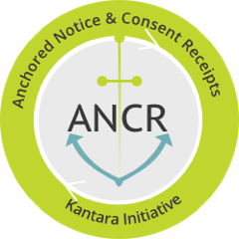
ANCR Comment Submission Form:
ANCR TPI Conformity & Compliance Assessmet Scheme 1, Part 1 & 2
Sheet 2 - ANCR WG Digital Transparency Code of Conduct

Open: Mon Sept 4, 2023
Close: Wed Sept 12, 2023 at 23:59 PST
Comments submitted are subject to the ANCR General Participation Agreement:
Please email your completed submission response form to: |  |  | wg-ancr@kantarainitiative.org

ANCR: TPI Conformity & Compliance Assessmet Scheme 1

Line # | Type: Substantive or Editorial | Comment by: Name & Organization | Comment | Proposed edit or change

